KSA LDVs
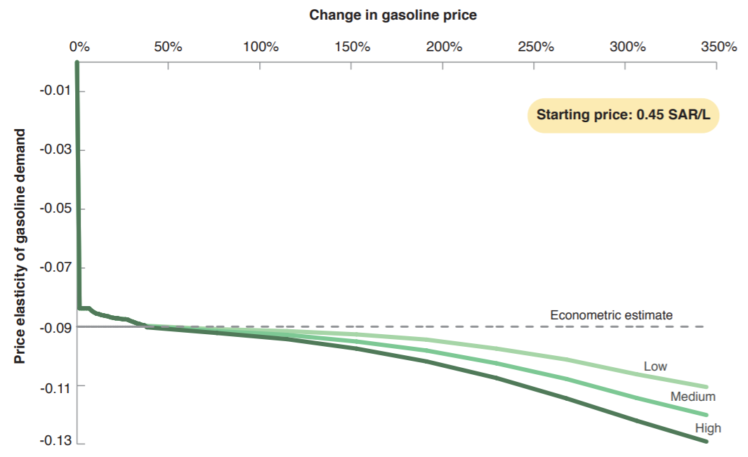

Econometric Estimate
-0.09

